Chart
1 | 2 | 3 | 4 | 5 | 6 | 7 | 8 | 9 | 10

 |  |  |  |  |  | Figure 1

 |  |  | From this Figure above we can see that the best solution $648,000.00 which means we can maximize profit and we can also take Jelly preorders up to 12,000

 | Figure 2
 | OptQuest Results

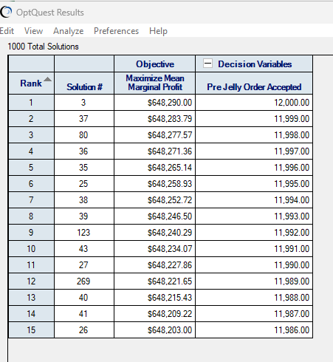

 |  |  |  |  |  | Figure 2 shows the OptQuest Results of our analysis. We can see that the best solution was rank number one on the solution table.

